Audit Report
Paint Audit Report

Type : |  |  |  | EC001 |  |  |  | Phase: |  |  |  |  | PTO1
Body No.: |  |  |  | 898888 |  |  |  | Color: |  |  |  |  | WHITE
Pro. Date: |  |  |  | 2019/1/3 |  |  |  | Audit date: |  |  |  |  | 2019/1/3
Shift: |  |  |  | A |  |  |  | Auditor: |  |  |  |  | Hao.Sun

Owner |  | Target |  | Amount/Score |  | S-140 |  | A-80 |  | B1-60 |  | B-40 |  | C-20 |  | D-10
PS |  |  |  | 2/280 |  | 2/280
BS
SQE
Other
Total:

Defect type |  |  |  | Amount/Score |  | S-140 |  | A-80 |  | B1-60 |  | B-40 |  | C-20 |  | D-10
Appearance
Sealing
Other
Total:

Measurement Report
Gloss |  |  |  |  |  | Orange Peel |  |  |  |  |  | Color Mismatch
Film Thickness |  |  |  |  |  | Hardness |  |  |  |  |  | Adheresion

Paint Audit score trend chart
 | S-140 | A-80 | B1-60 | B-40 | C-20 | D-10 | Total | Target
VP |  | 60 | 320 | 200 | 40 | 80 | 700 | 350
PTO1 |  |  | 200 | 180 | 40 |  | 420 | 350
PTO2 |  |  | 200 | 200 |  |  | 400 | 350
 |  |  |  |  |  |  | 0 | 350
MPTO1 |  |  | 160 | 280 |  |  | 440 | 250
MPTO2 |  |  | 80 | 240 |  |  | 320 | 250
 |  |  |  |  |  |  | 0 | 250
 |  |  |  |  |  |  | 0 | 250
 |  |  |  |  |  |  | 0 | 250
 |  |  |  |  |  |  | 0 | 170
 |  |  |  |  |  |  | 0 | 170
 |  |  |  |  |  |  | 0 | 170
 |  |  |  |  |  |  |  | 170
 |  |  |  |  |  |  |  | 170
 |  |  |  |  |  |  |  | 170
 |  |  |  |  |  |  |  | 170
 |  |  |  |  |  |  |  | 90
 |  |  |  |  |  |  |  | 90
 |  |  |  |  |  |  |  | 90
 |  |  |  |  |  |  |  | 90

 | VP | PTO1 | PTO2 |  | MPTO1 | MPTO2
S-140
A-80 | 60
B1-60 | 320 | 200 | 200 |  | 160 | 80
B-40 | 200 | 180 | 200 |  | 280 | 240
C-20 | 40 | 40
D-10 | 80
Total | 700 | 420 | 400 | 0 | 440 | 320 | 0 | 0 | 0 | 0 | 0 | 0 | 0 | 0 | 0 | 0 | 0 | 0 | 0 | 0
Target | 350.0 | 350.0 | 350.0 | 350.0 | 250.0 | 250.0 | 250.0 | 250.0 | 250.0 | 170.0 | 170.0 | 170.0 | 170.0 | 170.0 | 170.0 | 170.0 | 90.0 | 90.0 | 90.0 | 90.0

Audit Card
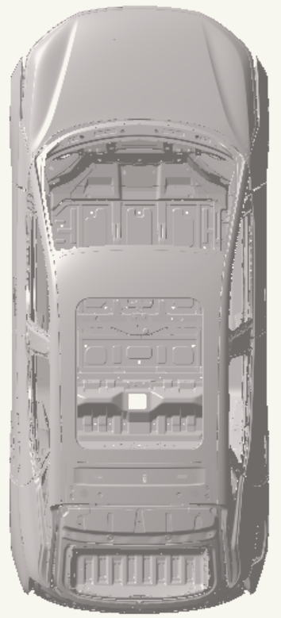
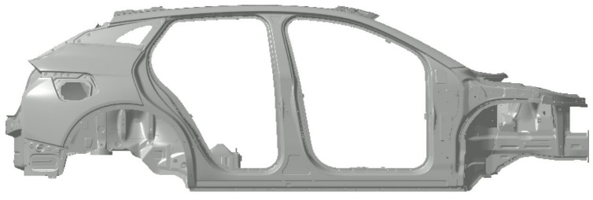
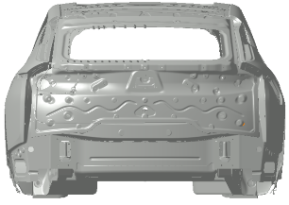
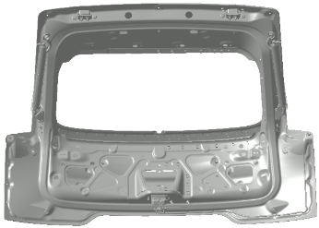
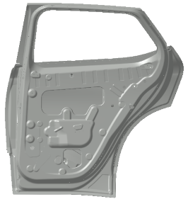
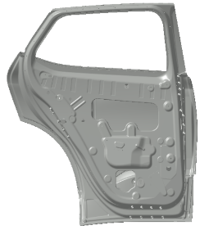
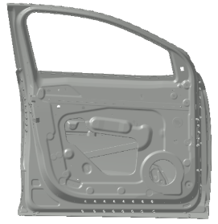
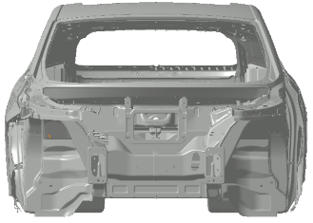
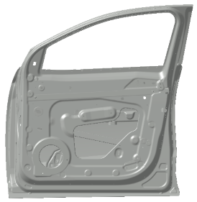
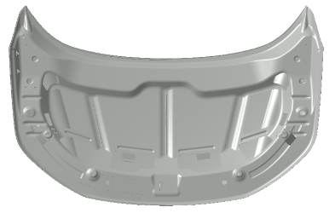
 |  | Paint shop product audit defect position
Phase: | PTO2 | Model | EC002 | Model Year | 2019 | Date | 2019/1/2 |  | Time | 14:00:00
Shift | A | Body No. | 88888 | Colour | white | Auditor | HAO.SUN |  | Remark

No. | Loc. Code | Defect code |  | Location |  | Defect |  | Severity | Score | Resp. Dept.
1
2
3
4
5
6
7
8
9
10

Appearance measure sheet
 |  |  | Appearance measure sheet
Phase: | PTO2 |  |  | Model |  | EC002 |  |  | Model Year |  | 2019 |  |  | Date |  | 2019/1/2 |  |  | Time |  | 14:00:00
Shift | A |  |  | Body No. |  | 88888 |  |  | Colour |  | white |  |  | Auditor |  | HAO.SUN |  |  | Remark |  | 0
Specification：Orange Peel (required to be visual accepted) 1.Long Wave Horizontal≤5, Vertical≤10 2.Short Wave Horizontal≤20, Vertical≤25

NO. | 1 | 2 | 3 | 4 | 5 | 6 | 7 | 8 | 9 | 10 | 11 | 12 | 13 | 14 | 15 | 16 | 17 | 18 | 19 | 20 | 21
LW Value | 5.3 | 4.7 | 4.3 | 3.9 | 3.6 | 4 | 5.2 | 4.8 | 3.1 | 5.2 | 5.3 | 2.9 | 5.3 | 5.5 | 5.6 | 4 | 3 | 3 | 3 | 3 | 4
BYTON target LW | 10 | 10 | 10 | 10 | 10 | 10 | 10 | 10 | 10 | 10 | 10 | 10 | 10 | 10 | 10 | 10 | 5 | 5 | 5 | 5 | 5
BYTON target | 6 | 6 | 6 | 6 | 6 | 6 | 6 | 6 | 6 | 6 | 6 | 6 | 6 | 6 | 6 | 6 | 6 | 6 | 6 | 6 | 6
 | L. F. Fender up | L. F. Fender down | L. F. Door up | L. F. Door down | L. R. Door up | L. R. Door down | L. R. Fender up | L. R. Fender down | R. R. Fender down | R. R. Fender up | R. R. Door up | R. R. Door down | R. F. Door up | R. F. Door down | R. F. Fender up | R. F. Fender down | Hood right | Hood middle | Hood left | Roof left | Roof right

NO. | 1 | 2 | 3 | 4 | 5 | 6 | 7 | 8 | 9 | 10 | 11 | 12 | 13 | 14 | 15 | 16 | 17 | 18 | 19 | 20 | 21
SW Value | 23 | 24 | 22 | 22 | 22 | 22 | 22 | 22 | 22 | 22 | 22 | 22 | 22 | 22 | 22 | 22 | 19 | 19 | 19 | 17 | 16
BYTON target | 25 | 25 | 25 | 25 | 25 | 25 | 25 | 25 | 25 | 25 | 25 | 25 | 25 | 25 | 25 | 25 | 20 | 20 | 20 | 20 | 20
 | L. F. Fender up | L. F. Fender down | L. F. Door up | L. F. Door down | L. R. Door up | L. R. Door down | L. R. Fender up | L. R. Fender down | R. R. Fender down | R. R. Fender up | R. R. Door up | R. R. Door down | R. F. Door up | R. F. Door down | R. F. Fender up | R. F. Fender down | Hood right | Hood middle | Hood left | Roof left | Roof right

Measuring diagram(OP)
Appearance measure sheet

1
2
3
4
5
6
7
8
9
12
15
16
17
18
19
20
21
11
14
10
13

Measuring diagram(FM)
Film build measure sheet

26
23

25

20
1
27
24

2
21
3
22

17
4

18
5
28
29

6
19

7
8
14

9
15

16

10
12

11

13

Measuring diagram(CM)
Color mismatch measure sheet

14

13
15
1
12

2
11

3
10

4
9

16

5
7

6
8

Gloss measure sheet
 |  |  | Gloss measure sheet
Phase: | PTO2 |  |  | Model |  | EC002 |  |  | Model Year |  | 2019 |  |  | Date |  | 2019/1/2 |  |  | Time |  | 14:00:00
Shift | A |  |  | Body No. |  | 88888 |  |  | Colour |  | white |  |  | Auditor |  | HAO.SUN |  |  | Remark |  | 0
Specification：20° Value≥85。

NO. | 1 | 2 | 3 | 4 | 5 | 6 | 7 | 8 | 9 | 10 | 11 | 12 | 13 | 14 | 15 | 16 | 17 | 18 | 19 | 20 | 21
20° Value | 95.3 | 94.7 | 94.3 | 93.9 | 93.6 | 94 | 95.2 | 94.8 | 93.1 | 95.2 | 95.3 | 92.9 | 95.3 | 94.15 | 93.94 | 93.73 | 93.52 | 93.31 | 93.1 | 92.89 | 92.68
BYTON target | 85 | 85 | 85 | 85 | 85 | 85 | 85 | 85 | 85 | 85 | 85 | 85 | 85 | 85 | 85 | 85 | 85 | 85 | 85 | 85 | 85
BYTON target | 6 | 6 | 6 | 6 | 6 | 6 | 6 | 6 | 6 | 6 | 6 | 6 | 6 | 6 | 6 | 6 | 6 | 6 | 6 | 6 | 6
 | L. F. Fender up | L. F. Fender down | L. F. Door up | L. F. Door down | L. R. Door up | L. R. Door down | L. R. Fender up | L. R. Fender down | R. R. Fender down | R. R. Fender up | R. R. Door up | R. R. Door down | R. F. Door up | R. F. Door down | R. F. Fender up | R. F. Fender down | Hood right | Hood middle | Hood left | Roof left | Roof right

BYTON target | 6 | 6 | 6 | 6 | 6 | 6 | 6 | 6 | 6 | 6 | 6 | 6 | 6 | 6 | 6 | 6 | 6 | 6 | 6 | 6 | 6

Measuring diagram(G)
Gloss measure sheet

17
19
18

1
15

2
16

3
4
14

13
21
20

6
12
5
11

9

7
8

10

Adhesion Diagram
 | Adhesion test sheet
Specification： Adhesive Force Exterior Surfaces： 0-1Grade 0-1 (ISO 2409)

1

2

Hardness Diagram
 | Hardness test sheet
Specification： Hardness Exterior Surfaces Pencil hardness tester ≥HB

1

